Problema 1
Individuo | Antes | Después | Diferencias | D. Absolutas. | Ranking | "-" | "+"
1 | 66 | 71 | -5 | 5 | 5 | 1 | 0
2 | 80 | 82 | -2 | 2 | 2.5 | 1 | 0
3 | 69 | 68 | 1 | 1 | 1 | 0 | 1
4 | 52 | 56 | -4 | 4 | 4 | 1 | 0
5 | 75 | 73 | 2 | 2 | 2.5 | 0 | 1
 |  |  |  |  |  | 3 | 2

 | "+" | 2 |  | Probabilities
 | n | 5 |  | 0 | 0.03125
 | p | 0.5 |  | 1 | 0.15625
 |  |  |  | 2 | 0.3125
 | p-value: | 0.5 |  | 3 | 0.3125
 | two-tails: | 1 |  | 4 | 0.15625
 | Signficance: | 0.05 |  | 5 | 0.03125
 | Reject the null? | Fail to reject

 | Antes |  | Después

 | Mean | 68.4 | Mean | 70
 | Standard Error | 4.7602520942 | Standard Error | 4.2071367936
 | Median | 69 | Median | 71
 | Mode | #N/A | Mode | #N/A
 | Standard Deviation | 10.644247273 | Standard Deviation | 9.4074438611
 | Sample Variance | 113.3 | Sample Variance | 88.5
 | Kurtosis | 0.99523326912 | Kurtosis | 1.4560949919
 | Skewness | -0.890054758 | Skewness | -0.49846330267
 | Range | 28 | Range | 26
 | Minimum | 52 | Minimum | 56
 | Maximum | 80 | Maximum | 82
 | Sum | 342 | Sum | 350
 | Count | 5 | Count | 5

Problema 2
20s | 65-70s | Stack | Rank
3 | 1 | 3 | 11.5 |  | R_20: | 133
6 | 0 | 6 | 16 |  | R_65-70: | 77.5
4 | 4 | 4 | 13.5 |  | n_20: | 10
8 | 1 | 8 | 19.5 |  | n_65-70: | 10
7 | 2 | 7 | 17.5
1 | 5 | 1 | 4.5 |  | mean: | 105
1 | 0 | 1 | 4.5 |  | desvest: | 13.228756555
2 | 2 | 2 | 8.5
7 | 2 | 7 | 17.5 |  | z: | 2.1166010489
8 | 3 | 8 | 19.5 |  | p-value: | 0.017146860518
 |  | 1 | 4.5 |  | two-tail: | 0.034293721036
 |  | 0 | 1.5 |  | Reject? | reject
 |  | 4 | 13.5
 |  | 1 | 4.5
 |  | 2 | 8.5
 |  | 5 | 15
 |  | 0 | 1.5
 |  | 2 | 8.5
 |  | 2 | 8.5
 |  | 3 | 11.5

 | 20s |  | 65-70s

 | Mean | 4.7 | Mean | 2
 | Standard Error | 0.89504810547 | Standard Error | 0.51639777949
 | Median | 5 | Median | 2
 | Mode | 8 | Mode | 2
 | Standard Deviation | 2.8303906287 | Standard Deviation | 1.6329931619
 | Sample Variance | 8.0111111111 | Sample Variance | 2.6666666667
 | Kurtosis | -1.847963402 | Kurtosis | -0.28794642857
 | Skewness | -0.17052874723 | Skewness | 0.57409915846
 | Range | 7 | Range | 5
 | Minimum | 1 | Minimum | 0
 | Maximum | 8 | Maximum | 5
 | Sum | 47 | Sum | 20
 | Count | 10 | Count | 10

Problema 3
Día | Línea A | Línea B | Diferencias | D. Absolutas | Rank | "-" | "+"
1 | 170 | 201 | -31 | 31 | 2 | 1
2 | 164 | 179 | -15 | 15 | 5 | 1
3 | 140 | 159 | -19 | 19 | 4 | 1
4 | 184 | 195 | -11 | 11 | 6 | 1
5 | 174 | 177 | -3 | 3 | 10 | 1
6 | 142 | 170 | -28 | 28 | 3 | 1
7 | 191 | 183 | 8 | 8 | 9 |  | 1
8 | 169 | 179 | -10 | 10 | 7 | 1
9 | 161 | 170 | -9 | 9 | 8 | 1
10 | 170 | 212 | -42 | 42 | 1 | 1
 |  |  |  |  |  |  | 1

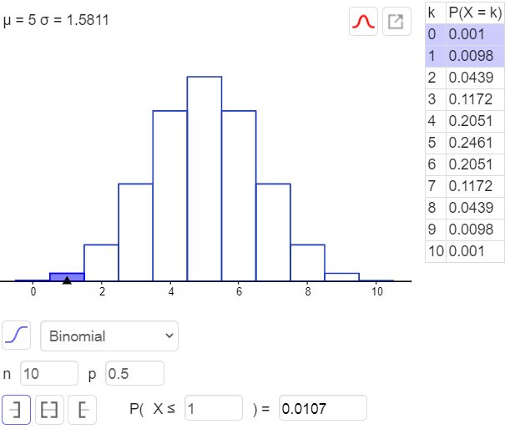
 | T+ | 1
 | n | 10
 | p | 0.5

 | p-value: | 0.0107
 | two-tails: | 0.0214
 | Signficance: | 0.05
 | Reject the null? | Reject

 | Línea A |  | Línea B

 | Mean | 166.5 | Mean | 182.5
 | Standard Error | 5.0908414498 | Standard Error | 5.042596333
 | Median | 169.5 | Median | 179
 | Mode | 170 | Mode | 179
 | Standard Deviation | 16.098654188 | Standard Deviation | 15.946089733
 | Sample Variance | 259.16666667 | Sample Variance | 254.27777778
 | Kurtosis | -0.076060893852 | Kurtosis | -0.10665014358
 | Skewness | -0.42972576155 | Skewness | 0.57617804199
 | Range | 51 | Range | 53
 | Minimum | 140 | Minimum | 159
 | Maximum | 191 | Maximum | 212
 | Sum | 1665 | Sum | 1825
 | Count | 10 | Count | 10

Problema 4
A | B | C | Column1 | Stack | Ranking |  | k: | 3
4.9 | 5.5 | 6.4 | A | 4.9 | 4 |  | n1 | 5
4.6 | 5.8 | 6.5 | A | 4.6 | 2 |  | n2 | 7
6.1 | 5.4 | 6.8 | A | 6.1 | 12 |  | n3 | 6
5.2 | 5.5 | 6.3 | A | 5.2 | 5.5
4.3 | 4.8 | 5.6 | A | 4.3 | 1 |  | nT | 18
 | 6.2 | 6.6 | B | 5.5 | 8.5
 | 5.2 |  | B | 5.8 | 11 |  | R_A | 24.5
 |  |  | B | 5.4 | 7 |  | R_B | 56.5
 |  |  | B | 5.5 | 8.5 |  | R_C | 90
 |  |  | B | 4.8 | 3
 |  |  | B | 6.2 | 13 |  | Part 1: | 0.035087719298
 |  |  | B | 5.2 | 5.5 |  | Part 2: | 1926.0857143
 |  |  | C | 6.4 | 15 |  | Part 3: | 57
 |  |  | C | 6.5 | 16 |  | H: | 10.581954887
 |  |  | C | 6.8 | 18
 |  |  | C | 6.3 | 14
 |  |  | C | 5.6 | 10 |  | significancia | 0.01
 |  |  | C | 6.6 | 17 |  | chi-squared: | 0.020100671707
 |  |  |  |  |  |  | p-value: | 0.005036834631
 |  |  |  |  |  |  | Reject? | Reject | Reject
 | A |  | B |  | C

 | Mean | 5.02 | Mean | 5.4857142857 | Mean | 6.3666666667
 | Standard Error | 0.30886890423 | Standard Error | 0.1668026656 | Standard Error | 0.16865480854
 | Median | 4.9 | Median | 5.5 | Median | 6.45
 | Mode | #N/A | Mode | 5.5 | Mode | #N/A
 | Standard Deviation | 0.69065186599 | Standard Deviation | 0.4413183712 | Standard Deviation | 0.4131182236
 | Sample Variance | 0.477 | Sample Variance | 0.19476190476 | Sample Variance | 0.17066666667
 | Kurtosis | 1.1285154859 | Kurtosis | 0.72517859171 | Kurtosis | 2.9795837402
 | Skewness | 1.0326585394 | Skewness | 0.13329697947 | Skewness | -1.5081563567
 | Range | 1.8 | Range | 1.4 | Range | 1.2
 | Minimum | 4.3 | Minimum | 4.8 | Minimum | 5.6
 | Maximum | 6.1 | Maximum | 6.2 | Maximum | 6.8
 | Sum | 25.1 | Sum | 38.4 | Sum | 38.2
 | Count | 5 | Count | 7 | Count | 6

